Sheet1
DYNAREX ORDER FORM
FILL IN ALL FIELDS, OR USE N/A IF NOT APLICABLE (Do not leave fields blank)
USE DYNAREX ITEM NUMBERS ONLY (Private Lable customers use private lable Dynarex item number)

Your Company Code:
Your Company Name:

PO#:

Ship to Name: |  | 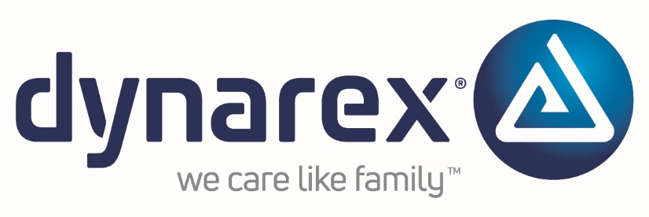
Ship to Address 1:
Ship to Address 2 (Optional):
City:
State:
Zip Code:
PROMO CODE: | SC0726

DYNAREX ITEM # | QTY | DYNAREX PRICE (autofills) | DESCRIPTION (autofills)

